Charts
Create Line Chart with Proper formatting
Should be formatted as shown in picture

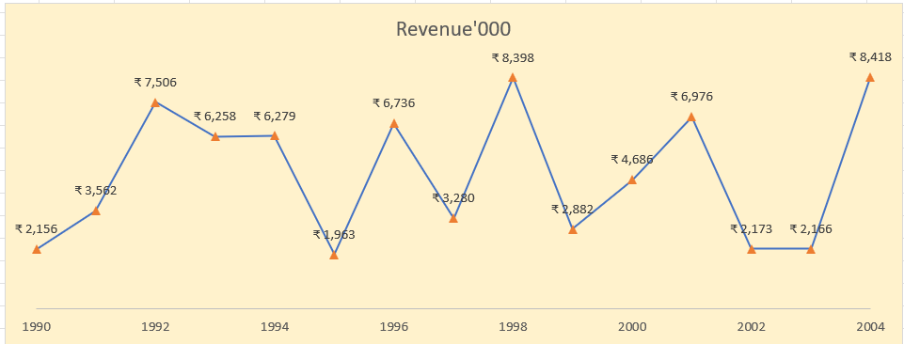
Date | Revenue'000
1990 | ₹ 2,156
1991 | ₹ 3,562
1992 | ₹ 7,506
1993 | ₹ 6,258
1994 | ₹ 6,279
1995 | ₹ 1,963
1996 | ₹ 6,736
1997 | ₹ 3,280
1998 | ₹ 8,398
1999 | ₹ 2,882
2000 | ₹ 4,686
2001 | ₹ 6,976
2002 | ₹ 2,173
2003 | ₹ 2,166
2004 | ₹ 8,418

ans1
Date | Revenue'000
1990 | ₹ 2,156
1991 | ₹ 3,562
1992 | ₹ 7,506
1993 | ₹ 6,258
1994 | ₹ 6,279
1995 | ₹ 1,963
1996 | ₹ 6,736
1997 | ₹ 3,280
1998 | ₹ 8,398
1999 | ₹ 2,882
2000 | ₹ 4,686
2001 | ₹ 6,976
2002 | ₹ 2,173
2003 | ₹ 2,166
2004 | ₹ 8,418

Revenue'00
Row Labels | Revenue'00
1990 | 2156
1991 | 3562
1992 | 7506
1993 | 6258
1994 | 6279
1995 | 1963
1996 | 6736
1997 | 3280
1998 | 8398
1999 | 2882
2000 | 4686
2001 | 6976
2002 | 2173
2003 | 2166
2004 | 8418
Grand Total | 73439

Charts2
Create Combo Chart with Proper formatting
Should be formatted as shown in picture

Date | Revenue'000 | Running Total | %
2005 | $528
2006 | $4,550 | 5,078.00 | 7%
2007 | $8,189 | 13,267.00 | 17%
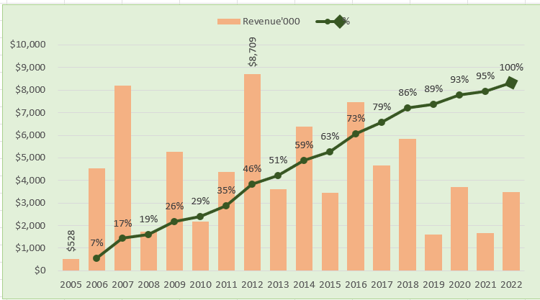
2008 | $1,730 | 14,997.00 | 19%
2009 | $5,262 | 20,259.00 | 26%
2010 | $2,172 | 22,431.00 | 29%
2011 | $4,384 | 26,815.00 | 35%
2012 | $8,709 | 35,524.00 | 46%
2013 | $3,618 | 39,142.00 | 51%
2014 | $6,372 | 45,514.00 | 59%
2015 | $3,456 | 48,970.00 | 63%
2016 | $7,478 | 56,448.00 | 73%
2017 | $4,649 | 61,097.00 | 79%
2018 | $5,831 | 66,928.00 | 86%
2019 | $1,599 | 68,527.00 | 89%
2020 | $3,695 | 72,222.00 | 93%
2021 | $1,678 | 73,900.00 | 95%
2022 | $3,490 | 77,390.00 | 100%

Total | $77,390

ans 2
 | Revenue'000 | %
2005 | $528
2006 | $4,550 | 7%
2007 | $8,189 | 17%
2008 | $1,730 | 19%
2009 | $5,262 | 26%
2010 | $2,172 | 29%
2011 | $4,384 | 35%
2012 | $8,709 | 46%
2013 | $3,618 | 51%
2014 | $6,372 | 59%
2015 | $3,456 | 63%
2016 | $7,478 | 73%
2017 | $4,649 | 79%
2018 | $5,831 | 86%
2019 | $1,599 | 89%
2020 | $3,695 | 93%
2021 | $1,678 | 95%
2022 | $3,490 | 100%
Date | Revenue'000 | Running Total | %
2005 | $528
2006 | $4,550 | 5,078.00 | 7%
2007 | $8,189 | 13,267.00 | 17%
2008 | $1,730 | 14,997.00 | 19%
2009 | $5,262 | 20,259.00 | 26%
2010 | $2,172 | 22,431.00 | 29%
2011 | $4,384 | 26,815.00 | 35%
2012 | $8,709 | 35,524.00 | 46%
2013 | $3,618 | 39,142.00 | 51%
2014 | $6,372 | 45,514.00 | 59%
2015 | $3,456 | 48,970.00 | 63%
2016 | $7,478 | 56,448.00 | 73%
2017 | $4,649 | 61,097.00 | 79%
2018 | $5,831 | 66,928.00 | 86%
2019 | $1,599 | 68,527.00 | 89%
2020 | $3,695 | 72,222.00 | 93%
2021 | $1,678 | 73,900.00 | 95%
2022 | $3,490 | 77,390.00 | 100%

Chart3
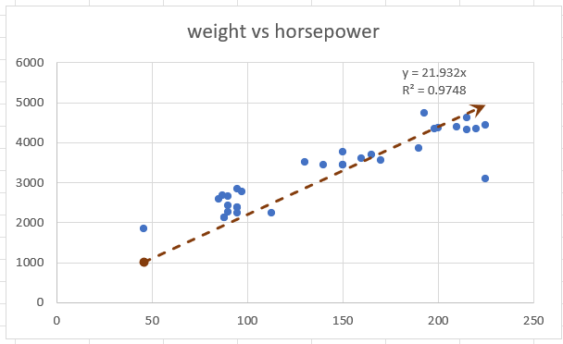
Create Scatter Chart with Proper formatting
Should be formatted as shown in picture

horsepower | weight
130 | 3504
165 | 3693
150 | 3436
150 | 3433
140 | 3449
198 | 4341
220 | 4354
215 | 4312
225 | 4425
190 | 3850
170 | 3563
160 | 3609
150 | 3761
225 | 3086
95 | 2372
95 | 2833
97 | 2774
85 | 2587
88 | 2130
46 | 1835
87 | 2672
90 | 2430
95 | 2375
113 | 2234
90 | 2648
215 | 4615
200 | 4376
210 | 4382
193 | 4732
88 | 2130
90 | 2264
95 | 2228

ans 3
weight vs horsepower
horsepower | weight
130 | 3504
165 | 3693
150 | 3436
150 | 3433
140 | 3449
198 | 4341
220 | 4354
215 | 4312
225 | 4425
190 | 3850
170 | 3563
160 | 3609
150 | 3761
225 | 3086
95 | 2372
95 | 2833
97 | 2774
85 | 2587
88 | 2130
46 | 1835
87 | 2672
90 | 2430
95 | 2375
113 | 2234
90 | 2648
215 | 4615
200 | 4376
210 | 4382
193 | 4732
88 | 2130
90 | 2264
95 | 2228

Chart4
Create Waterfall Chart with Proper formatting
Should be formatted as shown in picture

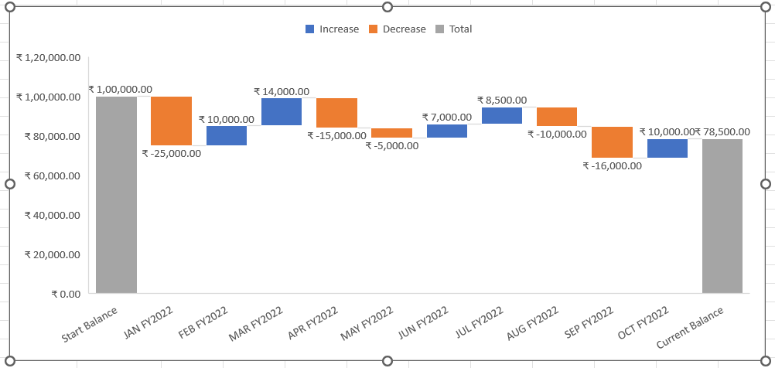
Period | Net Cash Flow
Start Balance | ₹ 100,000.00
JAN FY2022 | ₹ -25,000.00
FEB FY2022 | ₹ 10,000.00
MAR FY2022 | ₹ 14,000.00
APR FY2022 | ₹ -15,000.00
MAY FY2022 | ₹ -5,000.00
JUN FY2022 | ₹ 7,000.00
JUL FY2022 | ₹ 8,500.00
AUG FY2022 | ₹ -10,000.00
SEP FY2022 | ₹ -16,000.00
OCT FY2022 | ₹ 10,000.00
Current Balance | ₹ 78,500.00

Chart5
Task Description | Start Date | Planned End Date | Work Days Planned
Main task 1 | 25-Sep-09 | 3-Mar-10 | 159
Sub-task 1 | 25-Sep-09 | 17-Jan-10 | 114
Sub-task 2 | 2-Nov-09 | 29-Jan-10 | 88
Sub-task 3 | 1-Dec-09 | 21-Dec-09 | 20
Sub-task 4 | 1-Dec-09 | 15-Jan-10 | 45
Sub-task 5 | 21-Dec-09 | 15-Jan-10 | 25
Sub-task 6 | 4-Jan-10 | 29-Jan-10 | 25
Main task 2 | 4-Jan-10 | 24-Feb-10 | 51
Sub-task 1 | 4-Jan-10 | 11-Jan-10 | 7
Sub-task 2 | 11-Jan-10 | 26-Jan-10 | 15
Sub-task 3 | 25-Jan-10 | 24-Feb-10 | 30

ans 5
Task Description | Start Date | Planned End Date | Work Days Planned
Main task 1 | 25-Sep-09 | 3-Mar-10 | 159
Sub-task 1 | 25-Sep-09 | 17-Jan-10 | 114
Sub-task 2 | 2-Nov-09 | 29-Jan-10 | 88
Sub-task 3 | 1-Dec-09 | 21-Dec-09 | 20
Sub-task 4 | 1-Dec-09 | 15-Jan-10 | 45
Sub-task 5 | 21-Dec-09 | 15-Jan-10 | 25
Sub-task 6 | 4-Jan-10 | 29-Jan-10 | 25
Main task 2 | 4-Jan-10 | 24-Feb-10 | 51
Sub-task 1 | 4-Jan-10 | 11-Jan-10 | 7
Sub-task 2 | 11-Jan-10 | 26-Jan-10 | 15
Sub-task 3 | 25-Jan-10 | 24-Feb-10 | 30

